Pre Order
 |  |  |  |  |  |  |  |  |  |  | $506,800.00
Photo | style | name | Color | S | M | L | XL | XXL | Total Quantity | RRP | RRP TOT
 | PARKA | LANGFORD | Black | 17 | 34 | 34 | 10 | 17 | 112 | $1,475.00 | $165,200.00
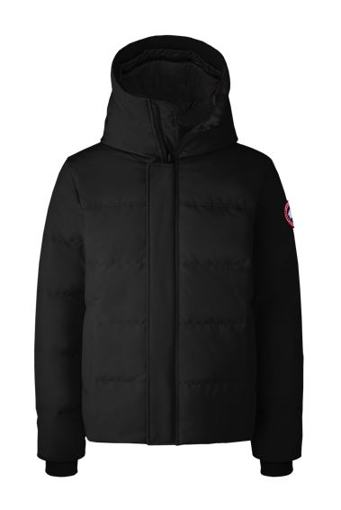 | PARKA | MACMILLAN | Black | 4 | 8 | 8 | 4 | 4 | 28 | $1,250.00 | $35,000.00
 | PARKA |  | NAVY | 6 | 12 | 12 | 6 | 6 | 42 | $1,250.00 | $52,500.00
 | PARKA |  | Graphite | 2 | 4 | 4 | 2 | 2 | 14 | $1,250.00 | $17,500.00
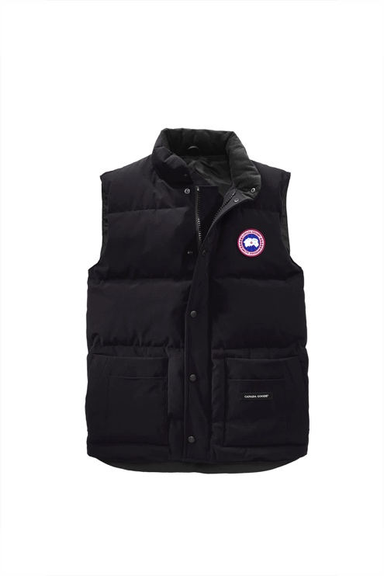 | VEST | Freestyle | Black | 22 | 44 | 44 | 22 | 22 | 154 | $650.00 | $100,100.00
 | VEST | Freestyle | Atlantic | 10 | 20 | 20 | 10 | 10 | 70 | $650.00 | $45,500.00
 | VEST | Freestyle | NAVY | 10 | 20 | 20 | 10 | 10 | 70 | $650.00 | $45,500.00
 | VEST | Freestyle | Graphite | 10 | 20 | 20 | 10 | 10 | 70 | $650.00 | $45,500.00
 |  |  |  |  |  |  |  |  | 560
 |  |  |  |  |  |  |  |  |  |  | $506,800.00

